PRE BOY-YB
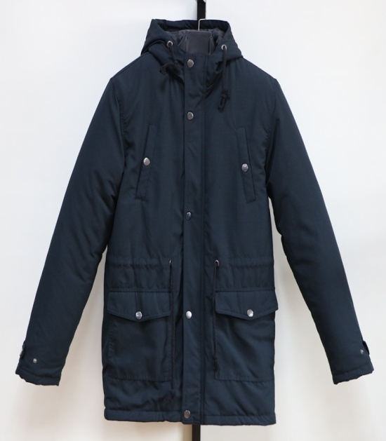
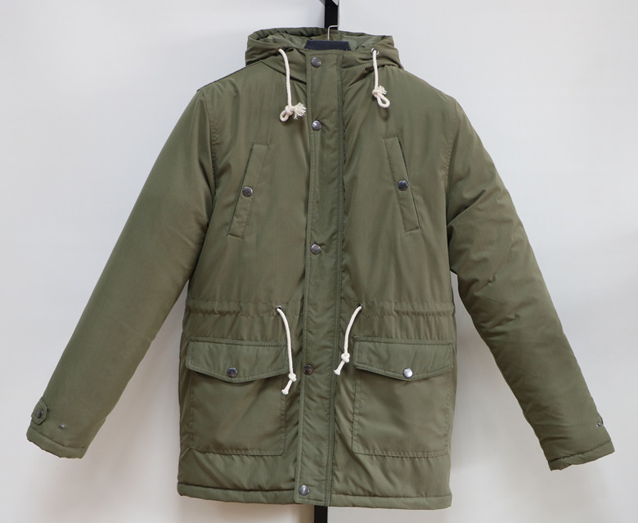
JACKET IN- STOCK
Description | MEN PARKA
Style NO. | 1609MS
Shell Fabric | 100% Polyester Moss Peach
Lining | Polyester 210T
Filler | Polyfill, |  |  |  | 500 | G/PC
 | Quantity List
COLOR / SIZE | M | L | XL | 2XL |  | PCS/Color
Black | 239 | 478 | 478 | 239 |  | 1434
Military | 156 | 312 | 312 | 156 |  | 936

Total Quantity : 2370 PCS
UNIT PRICE : US$ 12.40 FOB(XIAMEN)
We will charge 0.25$ more if you want to change labels&tags.
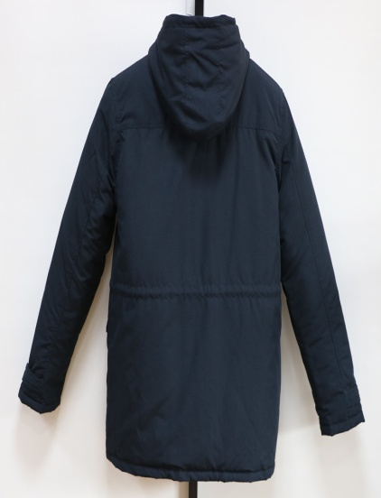
Packing List | Ratio(Solid Color/Full sizes) |  |  |  |  | PCS
COLOR / SIZE | M | L | XL | 2XL |  | per CTN
SOLID COLOR | 4 | 8 | 8 | 4 |  | 24

Black | 60 | CTNS | 8.11 | CBM |  | TOTAL
Military | 39 | CTNS | 5.29 | CBM |  | 13.40

 |  |  |  |  |  | CBM
TOTAL : | 99 | CTNS
G/W:23.5KGS | Total G.W: |  | 2320.6KGS
N/W:22.5KGS | MEAS: | 58 X | 36 X | 65 CM

SIZE SPEC | M | L | XL | 2XL |  | CM
1/2 Chest | 59 | 61 | 63 | 65 |  | 2
B.C.Length | 80 | 82 | 84 | 86 |  | 2
Sleeve Length | 67 | 69 | 71 | 73 |  | 2

